INSTRUCTIONS
INSTRUCTIONS AND SETUP
Thank you for joining our community! This tool is designed to help get you started on building out a budget.
If you have any questions or concerns, do not hesitate to reach out to us.

Initial Setup

1. Enter in your START DATE (1.1), MONTHLY INCOME (1.2), and the PERCENTAGE OF YOUR INCOME FOR HOUSING (1.3). Typically this can range from 25%-40%, general rule is ~30%. Please make sure to include the % sign when entering the percentage.

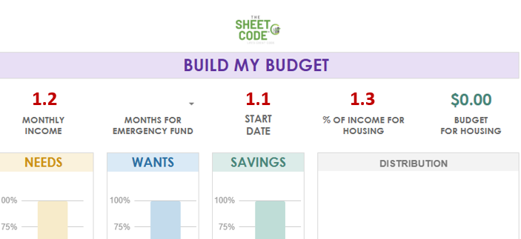

2. Enter in your desired NEEDS - WANTS - SAVINGS %. General ratios include 50%/30%/20% , 60%/20%/20% and 70%/20%/10%. Try different ratios to see what fits best! Typical rule is the 50%/30%/20% Rule as it gives a good balance of enjoying your money, saving for the future and fulfilling your needs. Be sure to check out our social media pages for more examples!

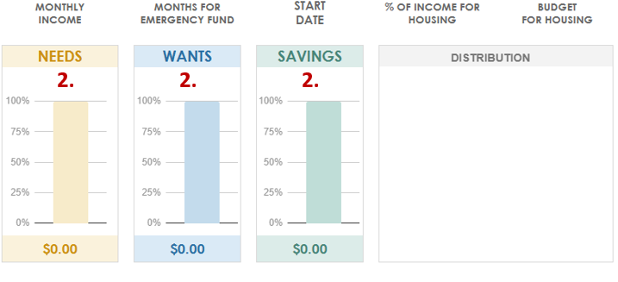

3. Next, enter in your CURRENT HOUSING COST (3.1). The sheet will compare your current housing cost to your planned housing % assigned above, showing a remaining budget for the rest of your needs. (3.2)

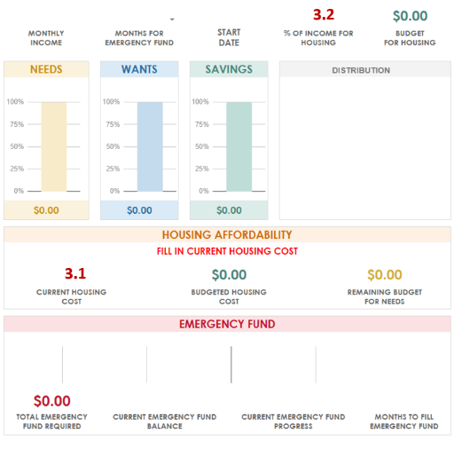

4. Once you have decided on your allocations, you can calculate how much you will need for an EMERGENCY FUND (4.1). Simply select a number of months from the dropdown. If you currently have an emergency fund, enter its balance (4.2). The sheet will calculate how much you need for an emergency fund and how many months you have to fill based on the SAVINGS amount above. General rule of thumb is to have 6 months worth of funds.

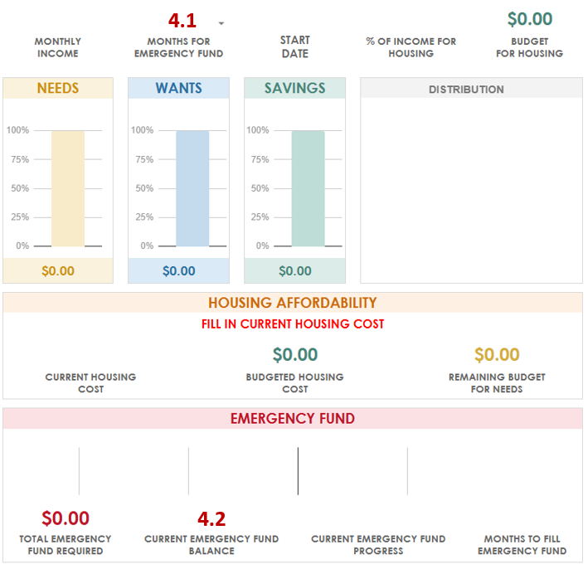

5. Calculate your potential returns on your monthly savings. Assign an ESTIMATED RATE OF RETURN (5.1), please include % here for accurate calculation. You can also set how the calculation compounds the interest via the dropdown, default is set to ANNUALLY.

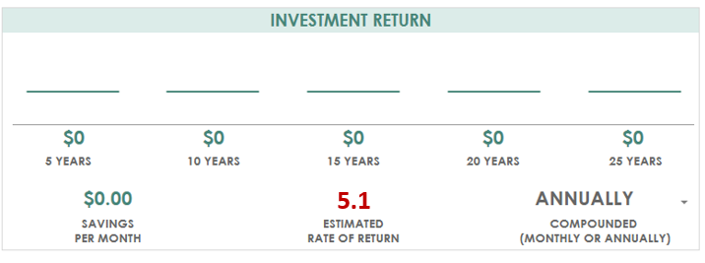

6. Congrats! You are now on your way to financial freedom. Planning a concise budget to suit your financial situation is a crucial first step. We hope this tool helps make that a little bit easier! Next step is to create a more detailed budget and to track every dollar coming in and out of your budget.

Check out our store for other great products to help keep you on your financial journey!
www.thesheetcode.com

BUILD MY BUDGET
BUILD MY BUDGET

 |  |  |  | 1/1/2025 |  | 30% |  |  | $0.00
MONTHLY INCOME |  | MONTHS FOR EMERGENCY FUND |  | START DATE |  | % OF INCOME FOR HOUSING |  |  | BUDGET FOR HOUSING
DISTRIBUTION
NEEDS |  | WANTS |  | SAVINGS

100.00% |  | 100.00% |  | 100.00%
 |  |  |  |  |  |  |  |  |  |  |  |  |  |  | Needs | 0
 |  |  |  |  |  |  |  |  |  |  |  |  |  |  | Wants
 |  |  |  |  |  |  |  |  |  |  |  |  |  |  | Savings
 |  |  |  |  |  |  |  |  |  |  |  |  | 0
$0.00 |  | $0.00 |  | $0.00 |  |  |  |  |  |  |  |  | 0
 |  |  |  |  |  |  |  |  |  |  |  |  | 0
HOUSING AFFORDABILITY
FILL IN CURRENT HOUSING COST
 |  |  | $0.00 |  |  |  | $0.00
CURRENT HOUSING COST |  |  | BUDGETED HOUSING COST |  |  |  | REMAINING BUDGET FOR NEEDS

EMERGENCY FUND

$0.00 |  |  |  |  |  |  |  |  |  |  |  |  |  |  |  |  | 0
TOTAL EMERGENCY FUND REQUIRED |  | CURRENT EMERGENCY FUND BALANCE |  |  | CURRENT EMERGENCY FUND PROGRESS |  |  | MONTHS TO FILL EMERGENCY FUND

INVESTMENT RETURN

 | $0 | $0 |  | $0 |  | $0 |  |  | $0
5 YEARS |  | 10 YEARS |  | 15 YEARS |  | 20 YEARS |  |  | 25 YEARS

$0.00 |  |  |  |  |  |  | ANNUALLY
SAVINGS PER MONTH |  |  | ESTIMATED RATE OF RETURN |  |  |  | COMPOUNDED (MONTHLY OR ANNUALLY)

 | Check out our store for other great products to help keep you on your financial journey!
 |  | www.thesheetcode.com |  |  |  |  |  |  |  |  |  | $0 |  | 5 YEARS | 0
 |  |  |  |  |  |  |  |  |  |  |  | $0 |  | 10 YEARS | 0
 |  |  |  |  |  |  |  |  |  |  |  | $0 |  | 15 YEARS | 0
 |  |  |  |  |  |  |  |  |  |  |  | $0 |  | 20 YEARS | 0
 |  |  |  |  |  |  |  |  |  |  |  | $0 |  | 25 YEARS | 0

 |  |  |  |  |  |  |  |  |  |  | monthly | annual
 |  |  |  |  |  |  |  |  |  | 5 | $0.00 | $0.00
 |  |  |  |  |  |  |  |  |  | 10 | $0.00 | $0.00
 |  |  |  |  |  |  |  |  |  | 15 | $0.00 | $0.00
 |  |  |  |  |  |  |  |  |  | 20 | $0.00 | $0.00
 |  |  |  |  |  |  |  |  |  | 25 | $0.00 | $0.00

